League Table
England D1
England D2
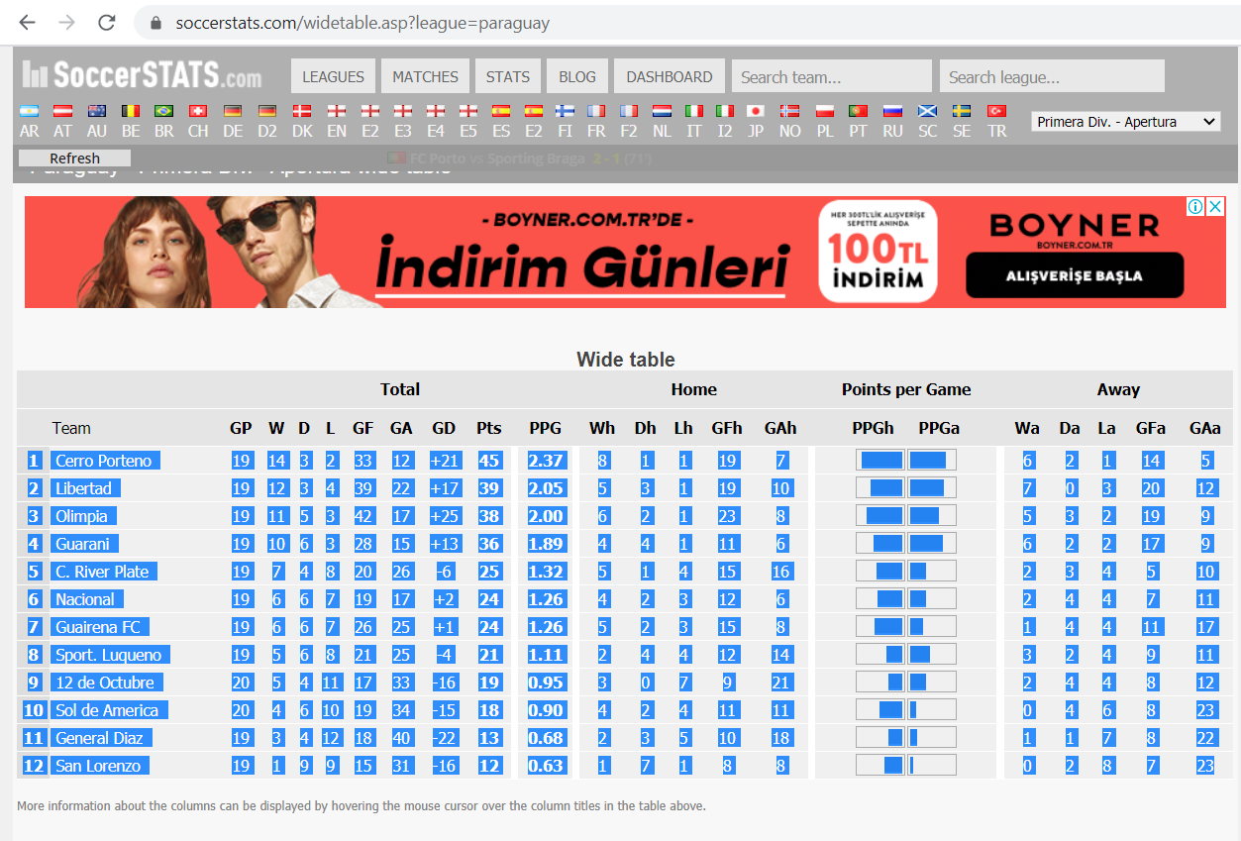
Spain D1
Spain D2
Italy D1
Italy D2
Total |  |  |  |  |  |  |  |  |  | Home |  |  |  |  | Away
 | Team | GP | W | D | L | GF | GA | GD | Pts | Wh | Dh | Lh | GFh | GAh | Wa | Da | La | GFa | GAa
1 | Club Brugge | 7 | 4 | 2 | 1 | 15 | 11 | 4 | 14 | 2 | 2 | 0 | 9 | 5 | 2 | 0 | 1 | 6 | 6
Germany D1
Germany D2
2 | St. Gilloise | 7 | 4 | 1 | 2 | 14 | 6 | 8 | 13 | 2 | 0 | 1 | 6 | 1 | 2 | 1 | 1 | 8 | 5
France D1
France D2
3 | Charleroi | 7 | 3 | 4 | 0 | 15 | 8 | 7 | 13 | 1 | 2 | 0 | 6 | 3 | 2 | 2 | 0 | 9 | 5
Holland D1
Holland D2
4 | Standard Liege | 7 | 4 | 1 | 2 | 8 | 11 | -3 | 13 | 1 | 1 | 1 | 4 | 6 | 3 | 0 | 1 | 4 | 5
Brasil D1
Ukraine D1
5 | KRC Genk | 6 | 3 | 2 | 1 | 12 | 7 | 5 | 11 | 2 | 1 | 1 | 9 | 5 | 1 | 1 | 0 | 3 | 2
Argentina D1
Czech Rep D1
6 | Eupen | 7 | 3 | 2 | 2 | 13 | 9 | 4 | 11 | 1 | 1 | 2 | 4 | 5 | 2 | 1 | 0 | 9 | 4
Portugal D1
Switzer D1
7 | Kortrijk | 7 | 3 | 1 | 3 | 9 | 8 | 1 | 10 | 1 | 1 | 1 | 5 | 4 | 2 | 0 | 2 | 4 | 4
Russia D1
Norway D1
8 | Anderlecht | 6 | 3 | 1 | 2 | 14 | 8 | 6 | 10 | 2 | 0 | 1 | 11 | 5 | 1 | 1 | 1 | 3 | 3
Austria D1
Sweden D1
9 | Sint-Truiden | 7 | 3 | 1 | 3 | 6 | 8 | -2 | 10 | 1 | 0 | 2 | 3 | 6 | 2 | 1 | 1 | 3 | 2
Denmark D1
Croatia D1
10 | Oostende | 7 | 3 | 0 | 4 | 8 | 14 | -6 | 9 | 1 | 0 | 2 | 1 | 5 | 2 | 0 | 2 | 7 | 9
11 | Seraing | 7 | 3 | 0 | 4 | 7 | 11 | -4 | 9 | 2 | 0 | 2 | 5 | 5 | 1 | 0 | 2 | 2 | 6
Turkey D1
Mexico D1
12 | Cercle Brugge | 7 | 2 | 2 | 3 | 9 | 9 | 0 | 8 | 0 | 1 | 2 | 2 | 4 | 2 | 1 | 1 | 7 | 5
Cyprus D1
Romania D1
13 | Antwerp | 6 | 2 | 2 | 2 | 11 | 9 | 2 | 8 | 0 | 1 | 1 | 2 | 3 | 2 | 1 | 1 | 9 | 6
Serbia D1
Serbia D1
14 | Zulte-Waregem | 7 | 2 | 2 | 3 | 11 | 14 | -3 | 8 | 0 | 1 | 3 | 5 | 12 | 2 | 1 | 0 | 6 | 2
Scotland D1
USA D1
15 | Gent | 6 | 2 | 1 | 3 | 13 | 9 | 4 | 7 | 2 | 1 | 1 | 12 | 6 | 0 | 0 | 2 | 1 | 3
Belgium D1
Australia D1
16 | OH Leuven | 7 | 1 | 4 | 2 | 8 | 14 | -6 | 7 | 1 | 2 | 1 | 5 | 7 | 0 | 2 | 1 | 3 | 7
S.Korea D1
Japan D1
17 | KV Mechelen | 7 | 2 | 1 | 4 | 11 | 18 | -7 | 7 | 2 | 0 | 1 | 7 | 6 | 0 | 1 | 3 | 4 | 12
Вставить
18 | Beerschot-Wil. | 7 | 0 | 1 | 6 | 6 | 16 | -10 | 1 | 0 | 0 | 4 | 0 | 6 | 0 | 1 | 2 | 6 | 10

